2024
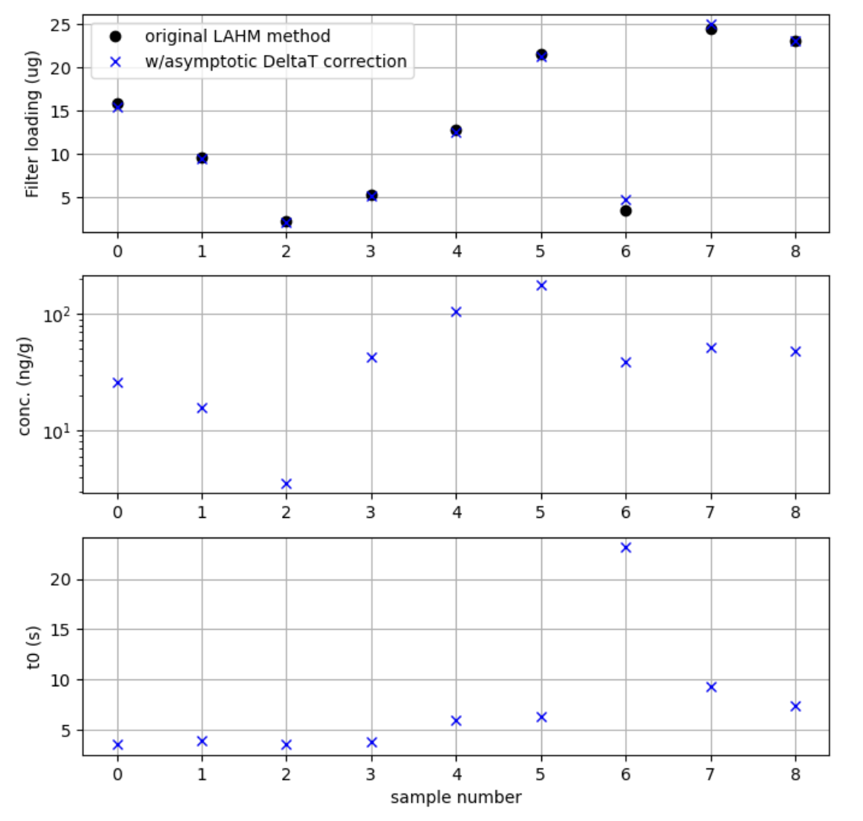
 | From metadata.png |  |  |  |  | From Lucy's temperature profiles |  |  |  |  | Differences
File number | Location | Date | Sample | elevation (ft.) | concentration (ng eBC/g) | Filename | Syringe (mL) | filter load (ug) | concentration (ng eBC/g) | t0 (s) | Lucy's data -
 | (metadata.png) | (metadata.png) | (your spreadsheet) | (metadata.png) | (your spreadsheet) | (Lucy's data) | (mL) | (Lucy's data) | (Lucy's data) | (Lucy's data) | metadata
0 | Mt. Columbia | 2024-05-18 | surface | 6500 | 28.3 | 2024/mtcolumbia_S1surface_10syringes.txt | 600 | 15.4 | 25.7 | 3.5 | -9%
1 | Mt. Columbia | 2024-05-18 | subsurface | 7600 | 16.9 | 2024/mtcolumbia_S2_subsurface_10syringes.txt | 600 | 9.5 | 15.8 | 3.9 | -7%
2 | Mt. Baker | 2024-06-05 | surface/summit | 10,790 | 3.7 | 2024/mtbaker_summit_may23_2024_10syringes.txt | 600 | 2.1 | 3.5 | 3.5 | -5%
3 | Mt. Adams | 2024-07-10 | surface/summit | 12,280 | 45.6 | 2024/mtadams_summit_surface_2syringes.txt | 120 | 5.1 | 42.4 | 3.8 | -7%
4 | Mt. Adams | 2024-07-10 | subsurface/summit | 12,280 | 113.6 | 2024/mtadams_summit_subsurface_2syringes.txt | 120 | 12.5 | 104.4 | 6.0 | -8%
5 | Mt. Baker camp | 2024-07-13 | surface | 6200 | 190.3 | 2024/mtbaker_camp_surface_2syringes.txt | 120 | 21.2 | 176.4 | 6.4 | -7%
6 | Mt. Baker camp | 2024-07-13 | subsurface | 6200 | 27.7 | 2024/mtbaker_camp_subsurface_2syringes.txt | 120 | 4.7 | 39.0 | 23.2 | 41%
7 | Mt. Rainier camp | 2024-07-19 | surface | 10,190 | 54.3 | 2024/rainier_camp_surface_8syringes.txt | 480 | 25.0 | 52.0 | 9.3 | -4%
8 | Mt. Rainier camp | 2024-07-19 | subsurface | 10,190 | 51.9 | 2024/rainier_camp_subsurface_8syringes.txt | 480 | 23.0 | 47.9 | 7.4 | -8%

2025
 |  | From Lucy's temperature profiles |  |  |  |  | Differences
File number | concentration (ng eBC/g) | Filename | Syringe (mL) | filter load (ug) | concentration (ng eBC/g) | t0 (s) | Lucy's data -
 | (your spreadsheet) | (Lucy's data) | (mL) | (Lucy's data) | (Lucy's data) | (Lucy's data) | metadata
0 | 52.4 | 2025/May_2025/bakersandycamp_may27_2025_1syringe.txt | 420 | 19.2 | 45.8 | 5.5 | -13%
1 | 11.5 | 2025/May_2025/bakersummit_may27_2025_1syringe.txt | 574 | 6.0 | 10.4 | 4.6 | -10%
2 | 193.6 | 2025/June_2025/bakercrater_june25_2025_1syringe.txt | 60 | 10.7 | 178.2 | 5.2 | -8%
3 | 43.7 | 2025/June_2025/bakersummit_june25_2025_5syringes.txt | 300 | 12.2 | 40.7 | 4.6 | -7%
4 | 218.6 | 2025/July_2025/bakercrater_july10_2025_1syringe.txt | 60 | 12.4 | 207.1 | 7.5 | -5%
5 | 175.4 | 2025/July_2025/bakersandycamp_july10_2025_1syringe.txt | 60 | 9.7 | 160.9 | 5.2 | -8%
6 | 25.2 | 2025/July_2025/bakersummit_july10_2025_8.75syringes.txt | 525 | 12.2 | 23.2 | 5.6 | -8%
7 | 7.7 | 2025/May_2025/rainier_campmuir_may23_2025_4.8syringes.txt | 288 | 2.1 | 7.2 | 3.9 | -7%
8 | 5.6 | 2025/May_2025/rainier_highcamp_may23_2025_3.75syringes.txt | 225 | 1.2 | 5.5 | 6.7 | -3%
9 | 14 | 2025/June_2025/rainier_summit_june25_2025_5.6syringes.txt | 336 | 4.5 | 13.3 | 5.0 | -5%
10 | 374.3 | 2025/July_2025/rainieringrahamflats_july13_2025_1syringe.txt | 60 | 25.7 | 428.0 | 15.9 | 14%
11 | 307.1 | 2025/July_2025/rainiermuir_july13_2025_1syringe.txt | 60 | 22.6 | 377.1 | 18.6 | 23%
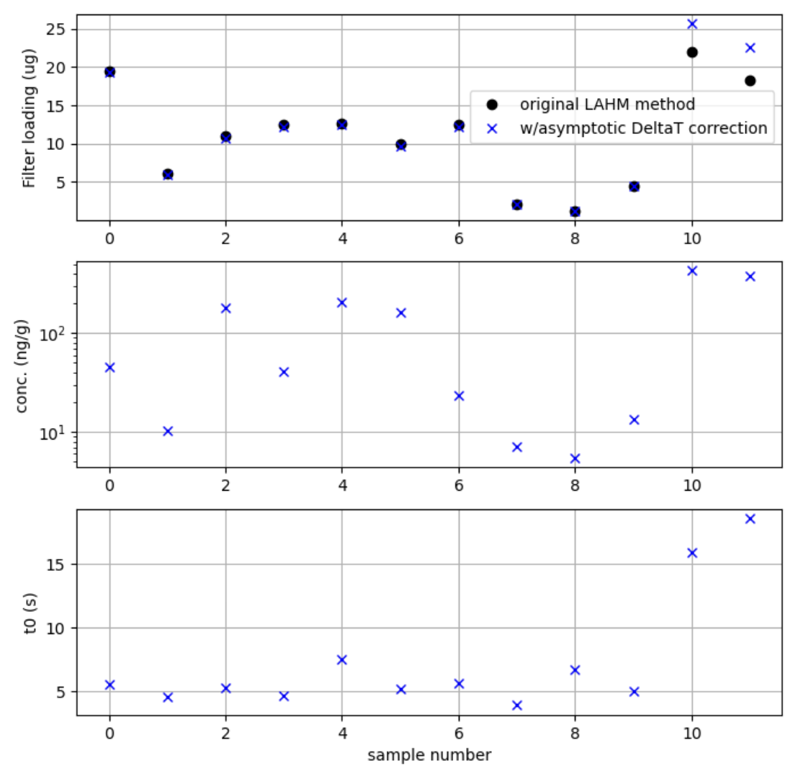

 |  |  |  | Our 2025 Rainier samples:
 |  |  |  | Surface: 50-500 ng/g
 |  |  |  | Subsurface: 5-50 ng/g

